Sheet1
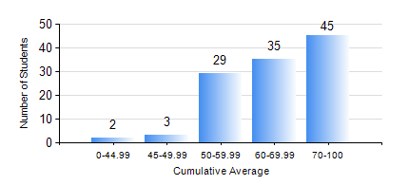
 |  |  | KWAME NKRUMAH UNIVERSITY OF SCIENCE AND TECHNOLOGY, KUMASI Department of Petroleum Engineering

 |  |  | BSC. PETROLEUM ENG.

 |  |  | COMPREHENSIVE RECORD OF EXAMINATION RESULTS

 |  |  | RESULTS OF YEAR 1 FIRST SEMESTER, 2018/2019 ACADEMIC YEAR

 | Sn | Course Code |  | Course Name | Credit Hours | Min. Mark | Max. Mark | Avg. Mark | Std. Dev. | No. Passed | No. Trailed | No. (Df) | No. (I) | No. (I*) | No. Tagged(I,I*,Df) | Total
 | 0. |  |  |  |  |  |  | 0 | 0 | 0 | 0 | 0 | 0 | 0 | 0 | 2
 | 1. | CHE 151 |  | INORGANIC CHEMISTRY FOR ENGINEERS | 2 | 39 | 93 | 71 | 12.28 | 111 | 1 | 0 | 0 | 0 | 0 | 112
 | 2. | CHE 153 |  | ORGANIC CHEMISTRY FOR ENGINEERS | 2 | 40 | 84 | 60 | 11.47 | 112 | 0 | 0 | 0 | 0 | 0 | 112
 | 3. | CHEM 169 |  | PRACTICAL CHEMISTRY I | 3 | 50 | 89 | 74 | 7.36 | 112 | 0 | 0 | 0 | 0 | 0 | 112
 | 4. | EE 151 |  | APPLIED ELECTRICITY | 3 | 40 | 93 | 70 | 16.42 | 112 | 0 | 0 | 0 | 0 | 0 | 112
 | 5. | ENGL 157 |  | COMMUNICATION SKILLS I | 2 | 40 | 78 | 63 | 9.03 | 112 | 0 | 0 | 0 | 0 | 0 | 112
 | 6. | MATH 151 |  | MATHEMATICS I | 4 | 34 | 83 | 63 | 10.93 | 111 | 1 | 0 | 0 | 0 | 0 | 112
 | 7. | ME 159 |  | TECHNICAL DRAWING | 2 | 21 | 82 | 59 | 9.53 | 111 | 1 | 0 | 0 | 0 | 0 | 112

